Sheet1
 | Standard entropy
Ac2O | 304.95 | J/(mok*K) | *Calculated using Trouton's Law; S(vap)=S(gas)-S(liquid)
Salicylic Acid | 172.4 | J/(mok*K) |  | -29.4kJ/mol
Aspirin | -27.2 | J/(mok*K) | *Calculated by integrating Cp/t
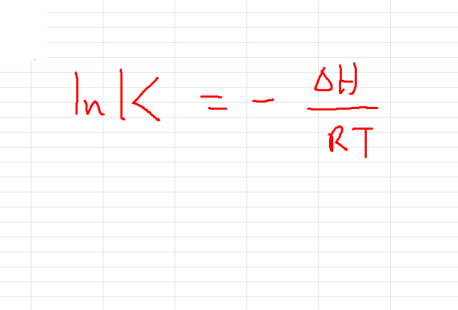
acetic acid | 158 | J/(mok*K)
Entropy of Reaction: |  | -531.75 | J/(mok*K)

G = |  | -> one O-H and C-O bond are formed, thus, the overall enthalpy change =0
 | -29.4 | kJ/mol
K (298K) | =e^(-G/RT) | 143224.4

Using Van't Hoff's Equation, |  | ln(K1/K2) = (-H/R)((1/T1)-(1/T2))

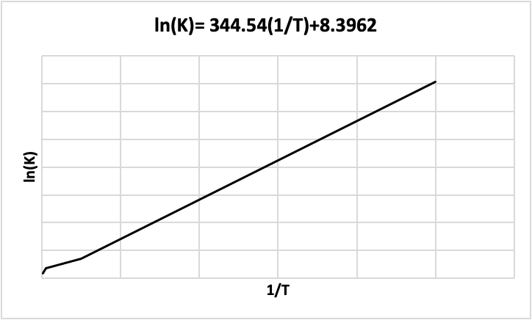

 |  |  |  | T | lnK | 1/T | K
 |  |  |  | 10 | 353.6203993 | 0.1 | 3.76173E+153
 |  |  |  | 100 | 35.36203993 | 0.01 | 2.27792E+15
 |  |  |  | 200 | 17.68101997 | 0.005 | 47727579.07
 |  |  |  | 300 | 11.78734664 | 0.003333333333 | 131576.886
 |  |  |  | 400 | 8.840509983 | 0.0025 | 6908.514968
 |  |  |  | 500 | 7.072407987 | 0.002 | 1178.983595

